1. Title Page
[Instacart Grocery Basket Analysis]

Project Name: Instacart Grocery Basket Analysis
Date: March 2023
Analyst Name: Vijayalakshmi Venugopal

Contents:
Population Flow
Consistency checks
Wrangling steps
Column derivations
Visualizations
Recommendations

Data citation:
“The Instacart Online Grocery Shopping Dataset 2017”, Accessed from https://www.instacart.com/datasets/grocery-shopping-2017 on March 2023.

2. Population Flow
Title page

Population flow

Exclusion flag
Condition: max_order < 5
Obervations to be removed: Low activity customers with max_order < 5 was excluded as the stakeholders think they don't generate much revenue.
First name and Surname columns were excluded as part of addressing PII data
Final total count of order_products_all: 30959687

Orders_products_combined
Orders_products_merged
Orders_products_all
 | * Due to memory usage issue a 30% sample (count - 9286994) of the dataframe was used to prepare the customer profile and visualization.

Total: 32434489
Total: 32404859
Total: 32399732

1.) The grey boxes in the first row of the population flow represent the original data sets as they were when you downloaded them. In the Total fields you need to add the count of the rows when you imported the data set into Jupyter.
2.) The second row of boxes (coloured) represents the data sets after you manipulated them, e.g., removed missing values and duplicates. In the Total fields you need to add the count of the rows after conducting these operations. This offers a visual oveview of how the data flows throughout the data consistency checks.
3.) The third row, where also the arrows are coloured, represents the merges you performed between the datasets. In the Total fields you need to add the count of the rows in the merged datasets, so that you end up with the final dataset (in the red box). Keep in mind the final dataset should be without exclusions (based on the exclusion flag).

3. Consistency checks
 |  |  |  | Title page
Consistency checks

Dataset | Missing values | Missing values treatment | Duplicates
orders | 206209 missing values in days_since_prior_order | The missing values in this column was because the customers were new. So these missing values were left as it is. | No duplicates found
products | 16 missing values in product_name | Missing values were removed | 5 duplicate values were removed
 | 5137 rows in "prices" column was changed to Nan from 99999 as this was found to be a outlier. | Condition : prices>100 was changed to NaN and excluded from analysis
orders_products_prior | Nil | NA | Nil
customers | 11259 rows in "First name" column was missing | As part of PII data exclusion the "First name" and "surname" column was excluded. | No duplicated found

4. Wrangling steps
 |  |  |  |  | Title page
Wrangling steps

Column name | Columns dropped | Columns renamed | Columns' type changed | Comment/Reason
product_id |  |  | to 'int32' | Memory usage issue
product_name
aisle_id |  |  | to 'int32' | Memory usage issue
department_id |  |  | to 'int32' | Memory usage issue
prices
order_id |  |  | to 'int32' | Memory usage issue
user_id |  |  | to 'int32' | Memory usage issue
order_number |  |  | to 'int8' | Memory usage issue
orders_day_of_week |  | order_dow -> orders_day_of_week | to 'int8' | Memory usage issue
order_hour_of_day |  |  | to 'int8' | Memory usage issue
days_since_prior_order |  |  | to 'float16' | Memory usage issue
add_to_cart_order
reordered
gender |  | Gender -> gender |  | Consistency with other column names
state |  | STATE -> state |  | Consistency with other column names
age |  | Age -> age |  | Consistency with other column names
date_joined
num_of_dependants |  | n_dependants -> num_of_dependants |  | Readability
family_status |  | fam_status -> family_status |  | Readability
income
 | orders_eval_set |  |  | No significance in the analysis
 | First name |  |  | PII data
 | Surname |  |  | PII data

5. Column derivations
 |  |  |  | Title page

Column derivations and aggregations

In this tab you should add tables below that the frequences of flags/label variables that you produced after deriving them. NB: don't do this for continuous variables, only for flags.
Dataset | New column | Column/s it was derived from | Conditions
orders_products_merged | price_range_loc | prices | prices' > 15 = 'High-range product' 'prices' <= 15 & 'prices' > 5 = 'Mid-range product' 'prices' <= 5 = 'Low_range product'
 | busiest_days | order_day_of_week | order_day_of_week in 0 and 1 -> 'Busiest days' order_day_of_week in 3 and 4 -> 'Slowest days' Others -> 'Regularly busy days'
 | busiest_period_of_day | order_hour_of_day | order_hour_of_day from 9-16 -> 'Most orders' order_hour_of_day from 0 - 6 and 23 -> 'Fewest orders' Others -> 'Average orders'
oders_products_grouped | max_order | user_id order_number | ords_prods_merged['max_order'] = df.groupby(['user_id'])['order_number'].transform(np.max)
 | loyalty_flag | max_order | max_order' > 40 = 'Loyal customer' 'max_order' <= 40 = 'Regular customer' 'max_order' <= 10 = 'New customer'
 | avg_price | user_id prices | ords_prods_merged['avg_price'] = df.groupby(['user_id'])['prices'].transform(np.mean)
 | spending_flag | avg_price | avg_price >= 10 = 'High spender' avg_price < 10 = 'Low spender'
 | order_freq | user_id days_since_prior_order | ords_prods_merged['median_days_prior_order'] = ords_prods_merge.groupby(['user_id'])['days_since_prior_order'].transform(np.median)
 | order_freq_flag | median_days_prior_order | median_days_prior_order > 20 = 'Non-frequent customer' median_days_prior_order > 10 & 'order_freq' <= 20 = 'Regular customer' median_days_prior_order <= 10 = 'Frequent customer'
ords_prods_all | region | state | NE_region = ['Maine', 'New Hampshire', 'Vermont', 'Massachusetts', 'Rhode Island', 'Connecticut', 'New York', 'Pennsylvania', 'New Jersey'] MW_region = ['Wisconsin', 'Michigan', 'Illinois', 'Indiana', 'Ohio', 'North Dakota', 'South Dakota', 'Nebraska', 'Kansas', 'Minnesota', 'Iowa', 'Missouri'] S_region = ['Delaware', 'Maryland', 'District of Columbia', 'Virginia', 'West Virginia', 'North Carolina', 'South Carolina', 'Georgia', 'Florida', 'Kentucky', 'Tennessee', 'Mississippi', 'Alabama', 'Oklahoma', 'Texas', 'Arkansas', 'Louisiana'] W_region = ['Idaho', 'Montana', 'Wyoming', 'Nevada', 'Utah', 'Colorado', 'Arizona', 'New Mexico', 'Alaska', 'Washington', 'Oregon', 'California', 'Hawaii'] ords_prods_all.loc[ords_prods_all['state'].isin(NE_region), 'region'] = 'Northeast' ords_prods_all.loc[ords_prods_all['state'].isin(MW_region), 'region'] = 'Midwest' ords_prods_all.loc[ords_prods_all['state'].isin(S_region), 'region'] = 'South' ords_prods_all.loc[ords_prods_all['state'].isin(W_region), 'region'] = 'West'
 | exclusion_flag | max_order | max_order < 5 = 'low-activity' max_order >= 5 = 'high-activity'
df_high | age_flag | age | age < 40 = 'Young' age >= 40 & age < 65 = 'Middle-aged' age >= 65 = 'Senior citizen'
 | income_flag | income | income < 67286 = 'Low income' income >= 67286 & income < 128081= 'Average income' income >= 128081 = 'High income'
 | Customer profiling was created based on department, family_status, num_of_dependants column.

6. Visualizations
 |  |  | Title page

Visualisations

In this tab you should include all the visualtions from Exercises 4.9 and 4.10, alongside the questions from the project brief that they answer. Include any commentary on the relationship between different variables.

1 | The sales team needs to know what the busiest days of the week and hours of the day are (i.e., the days and times with the most orders) in order to schedule ads at times when there are fewer orders.
 | Most of the orders at Instacart are made during weekends between 9 am to 4 pm. 72% of the orders are placed during these timings.


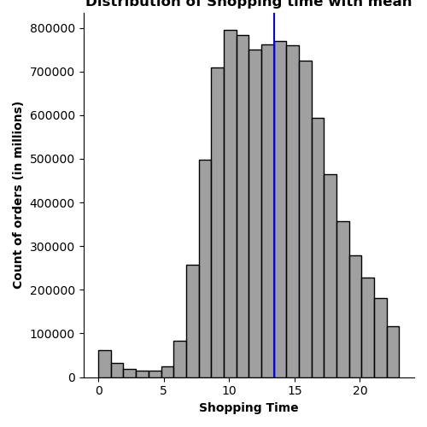

2 | They also want to know whether there are particular times of the day when people spend the most money, as this might inform the type of products they advertise at these times.
 | Prices are generally consistent. Early mornings that is between 2-4 am the purchases made by the customer are priced higher compared to the rest of the day. At the peak hours the price of the products purchased are low. The high value purchases are genrally made during the weekends
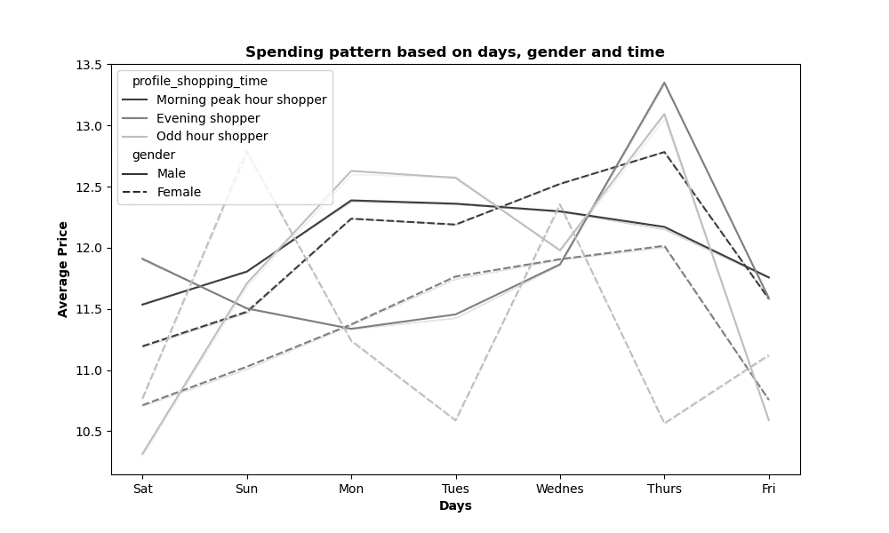
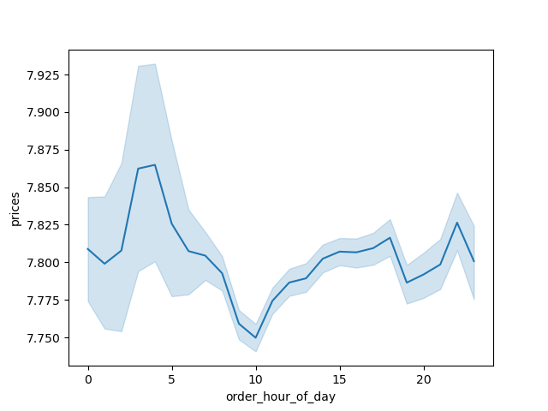
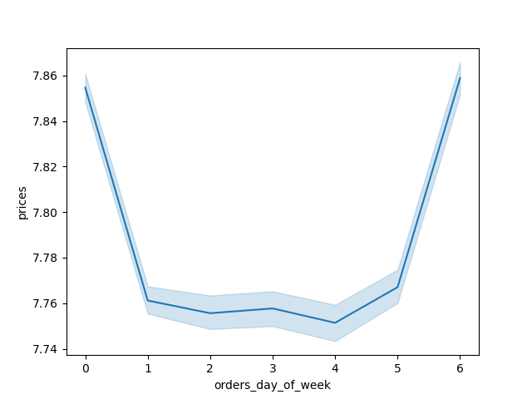

3 | Instacart has a lot of products with different price tags. Marketing and sales want to use simpler price range groupings to help direct their efforts.
 | The prices of the products are categorised into three groups low, mid and high range products. Most purchases at IC are made in mid range and low range products. Meat and seafood department come under high range products which is one of the least purchased products at IC.
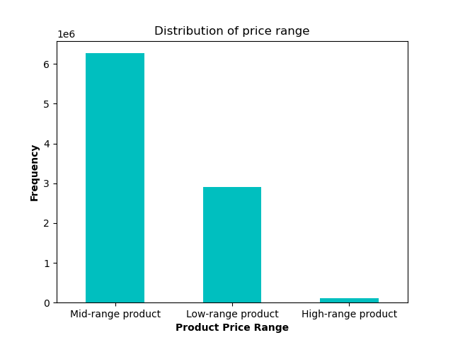
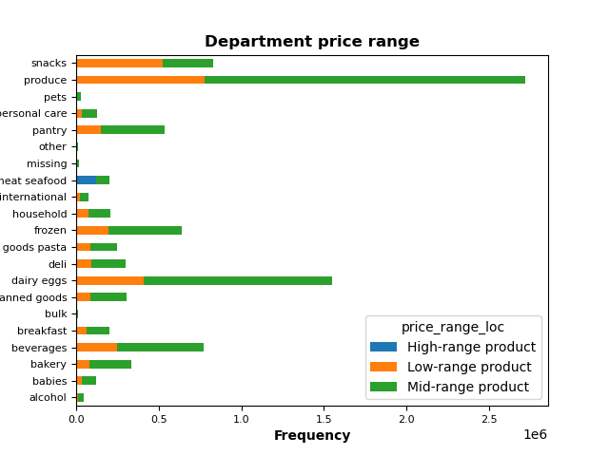
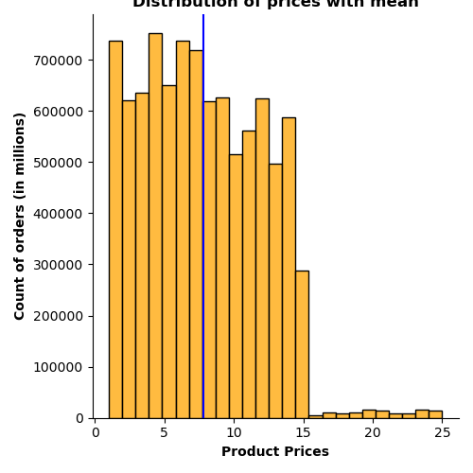

4 | Are there certain types of products that are more popular than others? The marketing and sales teams want to know which departments have the highest frequency of product orders.
 | Produce is the most popular product that the customer order at IC followed by Dairy eggs, snacks and beverages
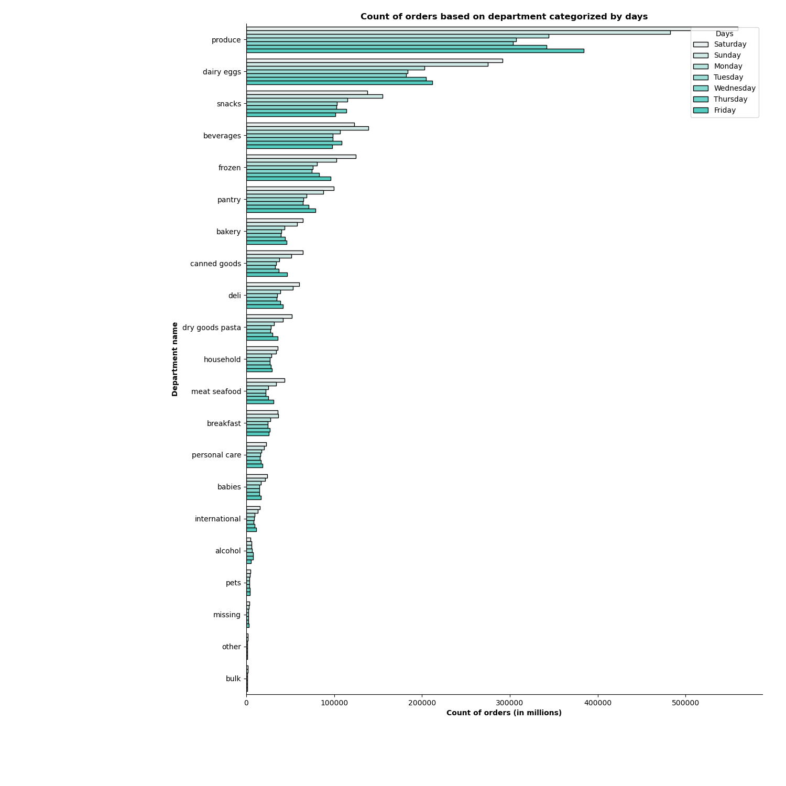

5 | The marketing and sales teams are particularly interested in the different types of customers in their system and how their ordering behaviors differ. For example: ● What’s the distribution among users in regards to their brand loyalty (i.e., how often do they return to Instacart)? ● Are there differences in ordering habits based on a customer’s loyalty status? ● Are there differences in ordering habits based on a customer’s region? ● Is there a connection between age and family status in terms of ordering habits? ● What different classifications does the demographic information suggest? Age? Income? Certain types of goods? Family status? ● What differences can you find in ordering habits of different customer profiles? Consider the price of orders, the frequency of orders, the products customers are ordering, and anything else you can think of.
 | Ordering habits has been the same for different categories of customers. Produce, dairy eggs, snacks and beverages being the popular products. Weekends between 9 am to 4 pm is the time when most customers place their order. Mid range product is the most the ordered product price range. South region is the region from where IC gets more orders from. Married people with dependants or without dependants order more from instacart. Midlde aged group of people order from IC more often followed by young and senior citizen.

 | Brand loyalty

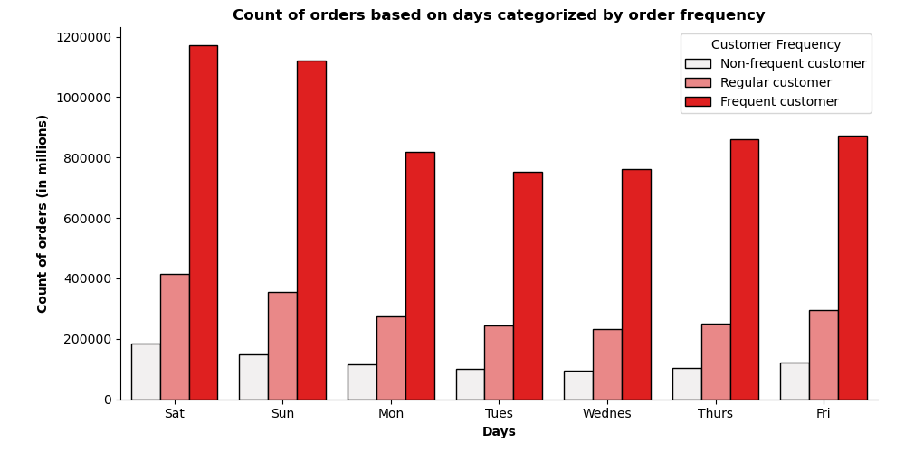

 |  | Observations

 |  | Based on number of days of prior order the customers are classified as Frequent, regular and non frequent customers
 |  | 67% of IC customers are frequent customers.

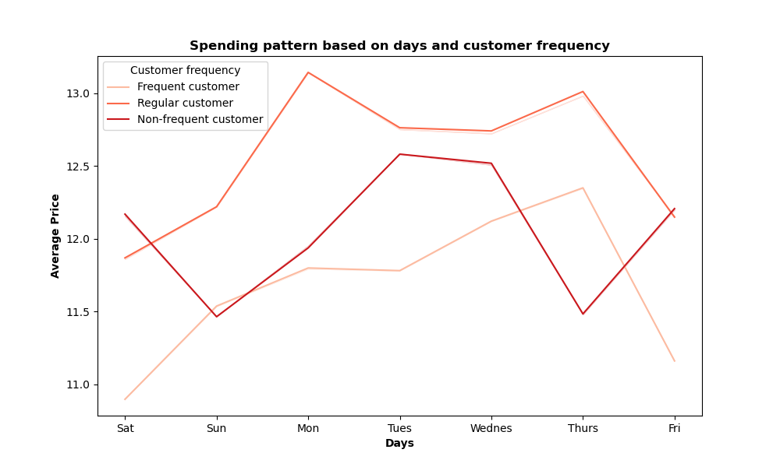
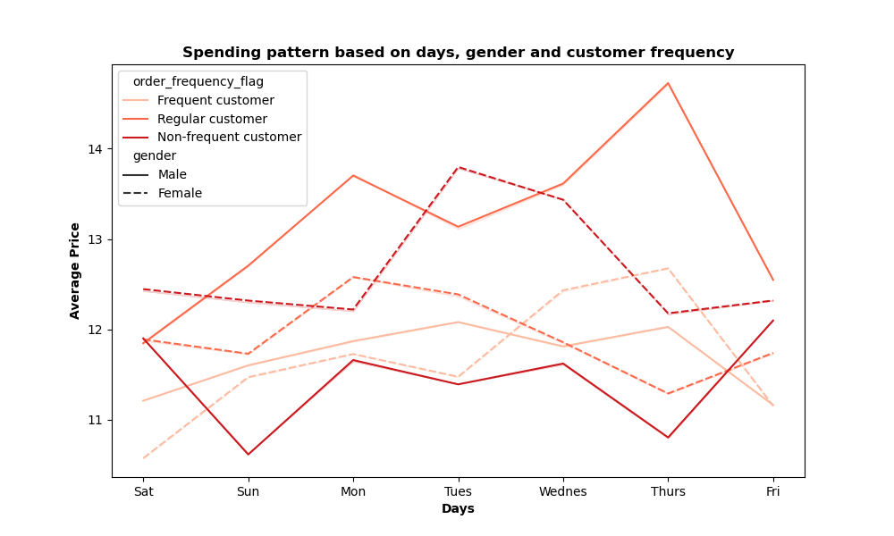

 | Customer loyalty

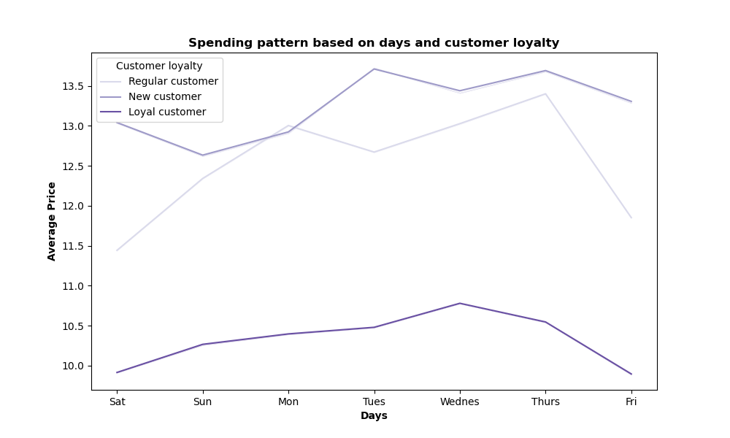

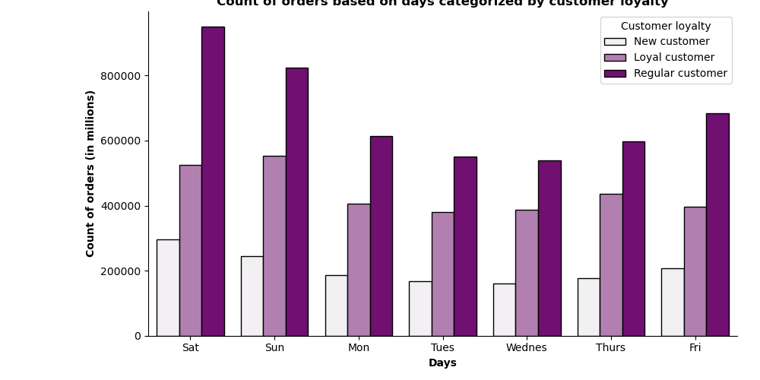

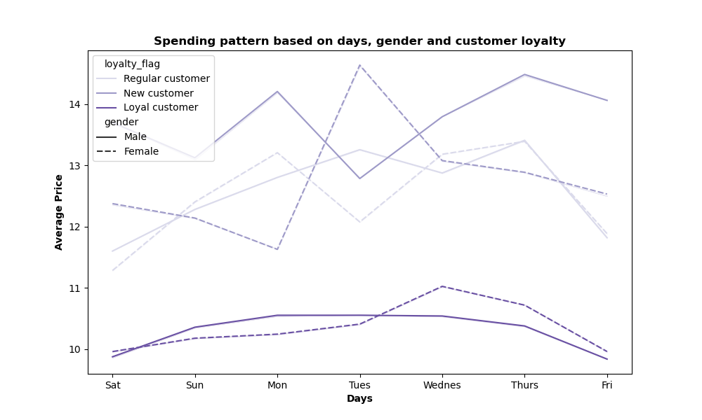
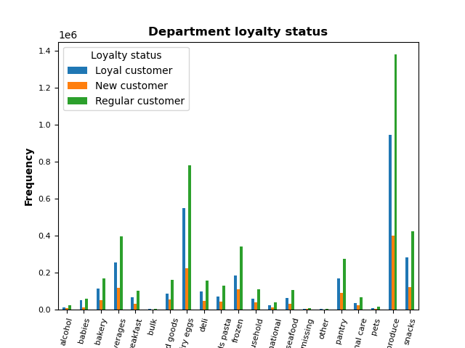
 |  | Observations

 |  | Based on maximum order placed the customers are classified as loyal, regular and new customers.
 |  | There are 49% of regular customers followed by 32% of loyal customer and 19% of new customers
 |  | There is no diffrence in their ordering pattern. Produce is the most ordered product.
 |  | Most of the shopping happens during the morning peak hour and over the weekends mainly on Saturday, Sunday and Friday. Loyal customers shop on Saturday, Sunday and thursday.

 | Region

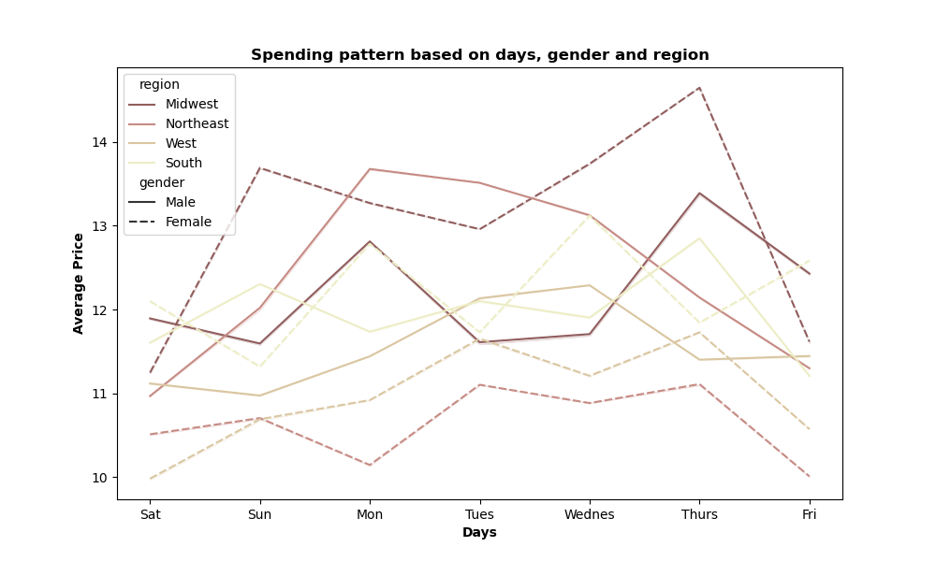
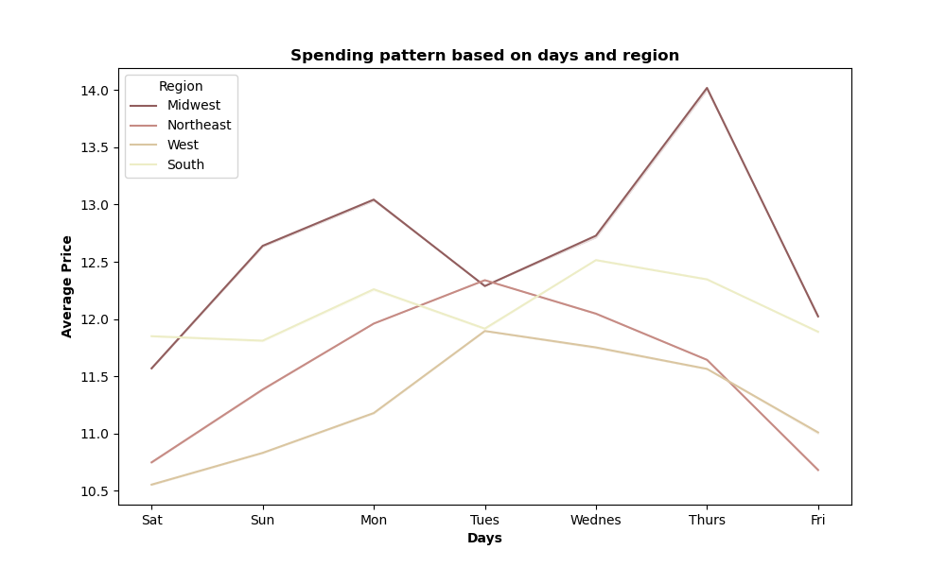
 | 33% of the orders are from South followed by 26% in west, 23% in MW and 18% in NE. There is no significant difference in the ordering habits among the regions.

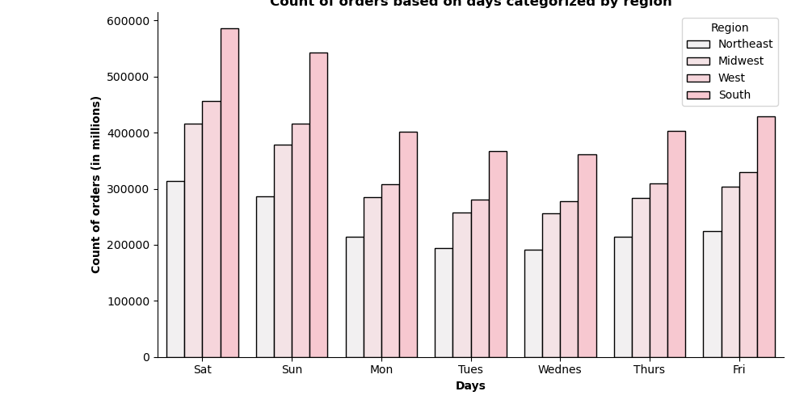

 | Age, Income, Family status, products
 | Observations 37% of the cutomers those order from IC are middle-aged group folllowed by 36% of young and 27% of senior people. The ordering pattern between the age group remain the same. 50% of the customers of IC have average income range and the ordering pattern remains the same for all income group. There are huge percentage of customers who don't order certain products at IC like baby products, pet products, meat/seafood products, alcohol, bulk products.

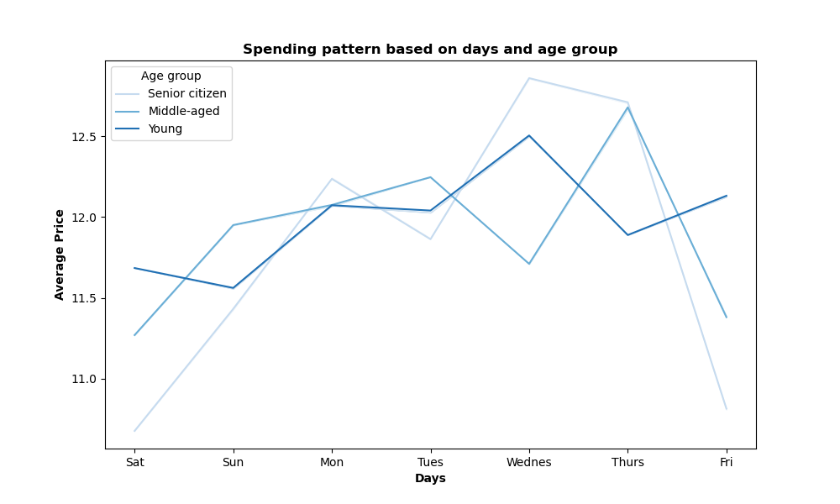
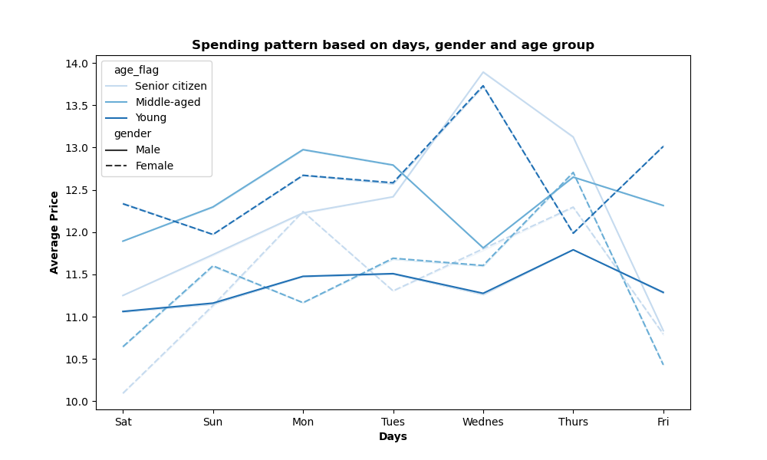
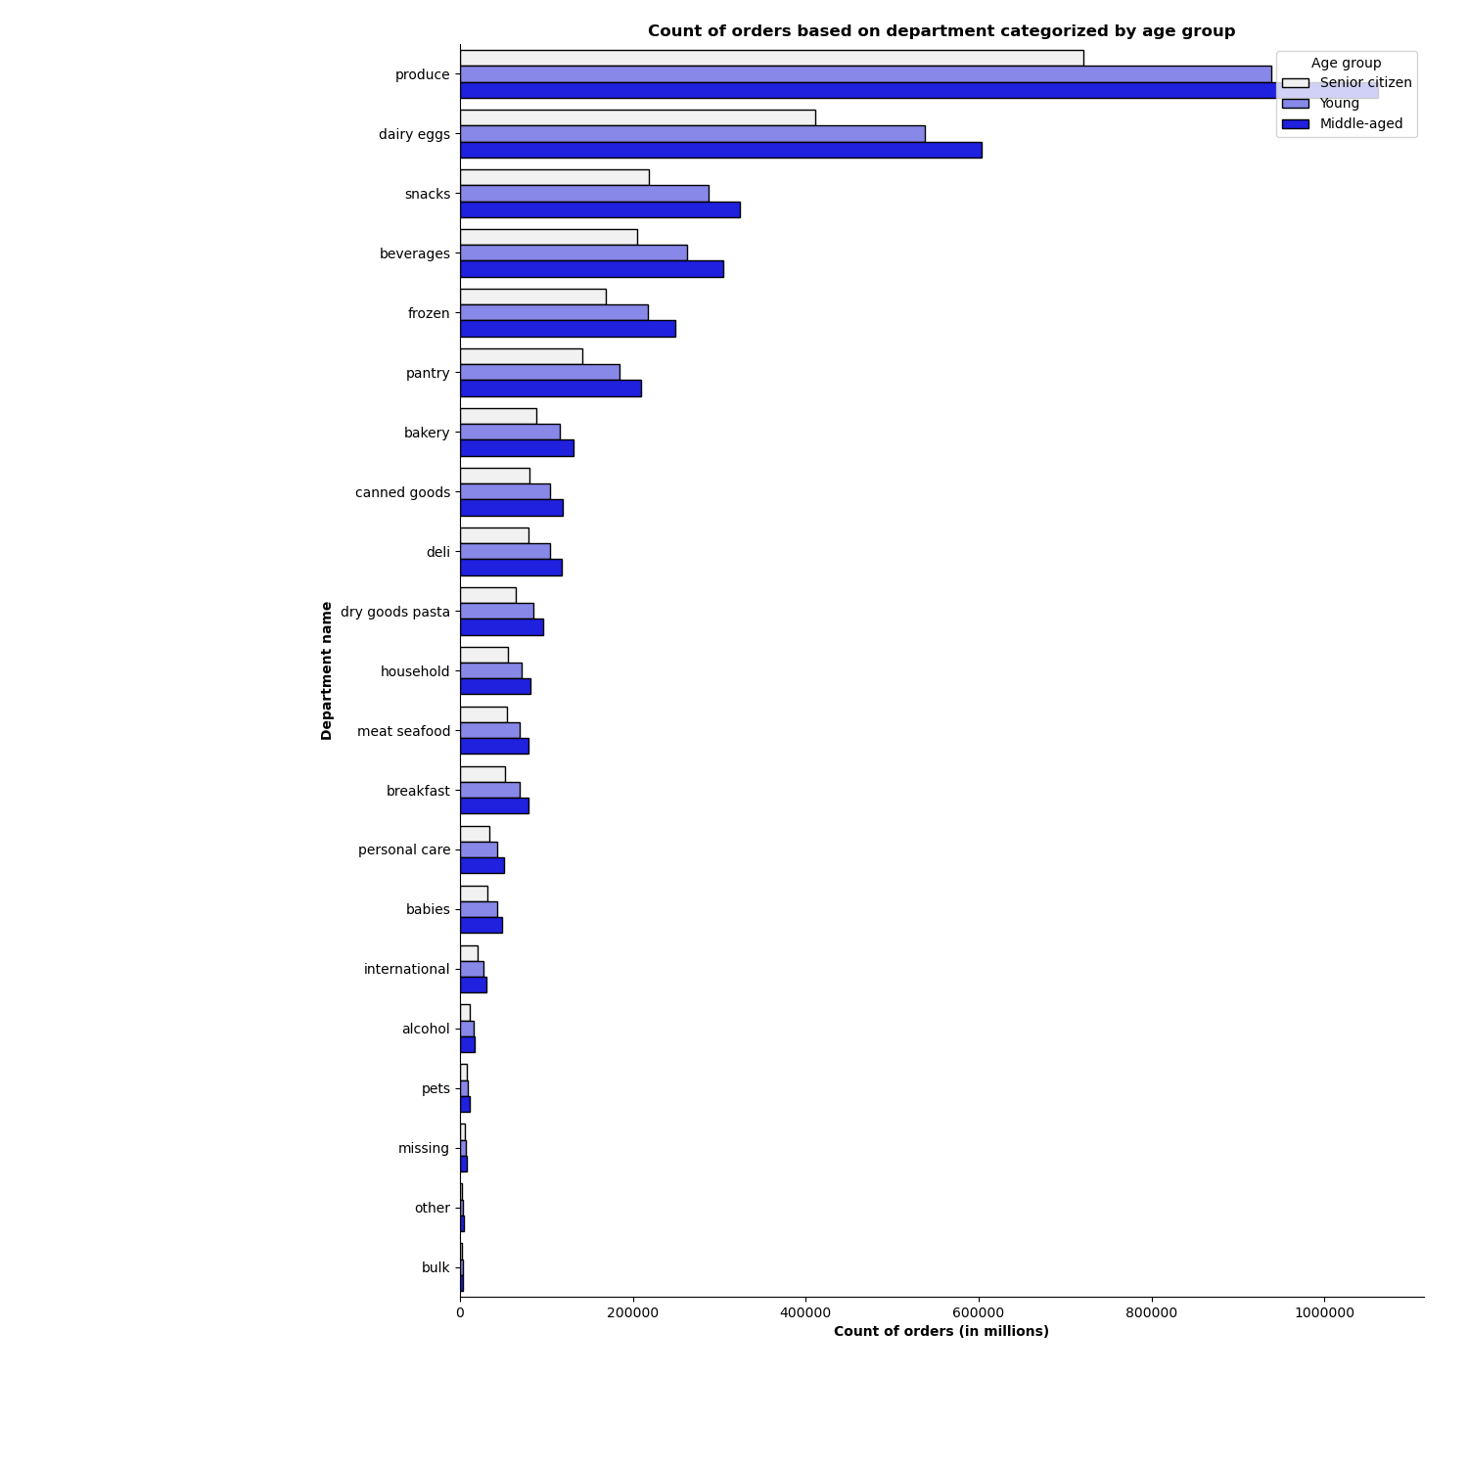

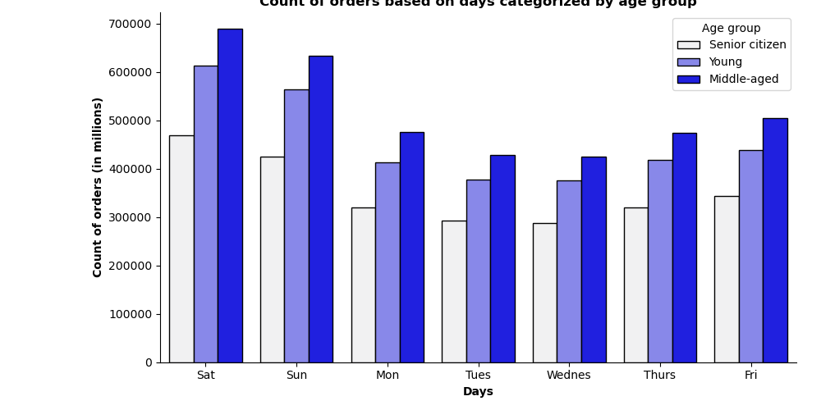

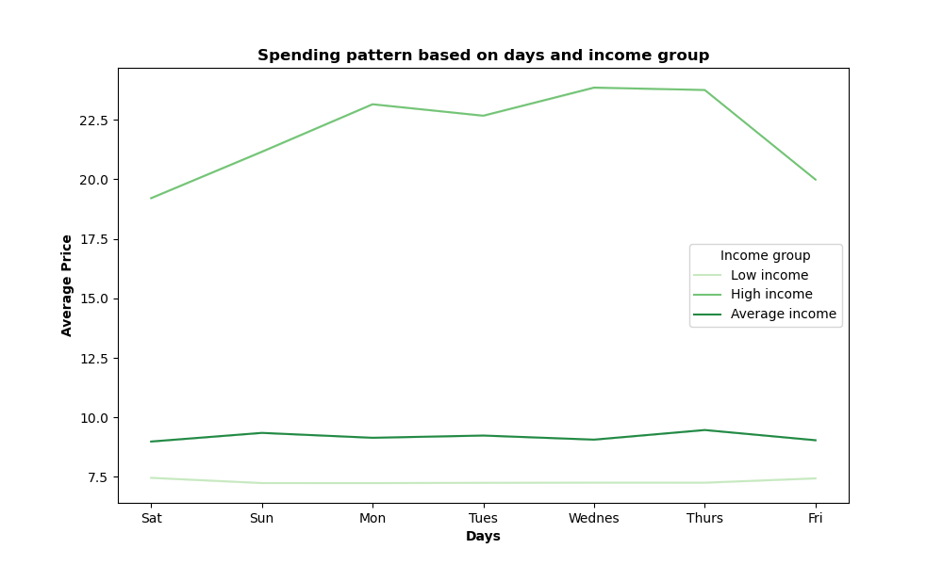
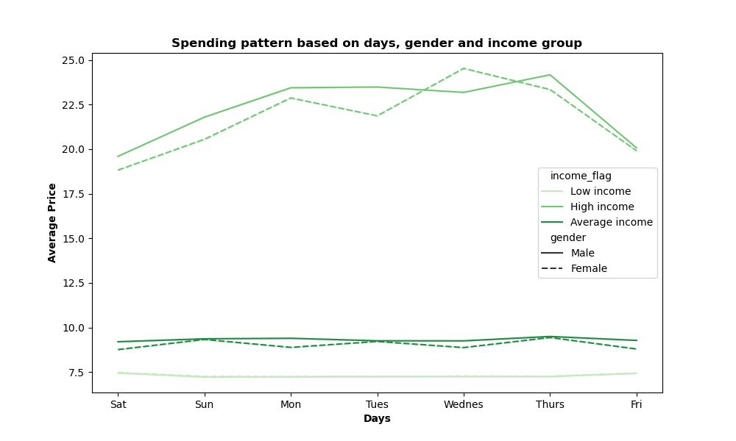
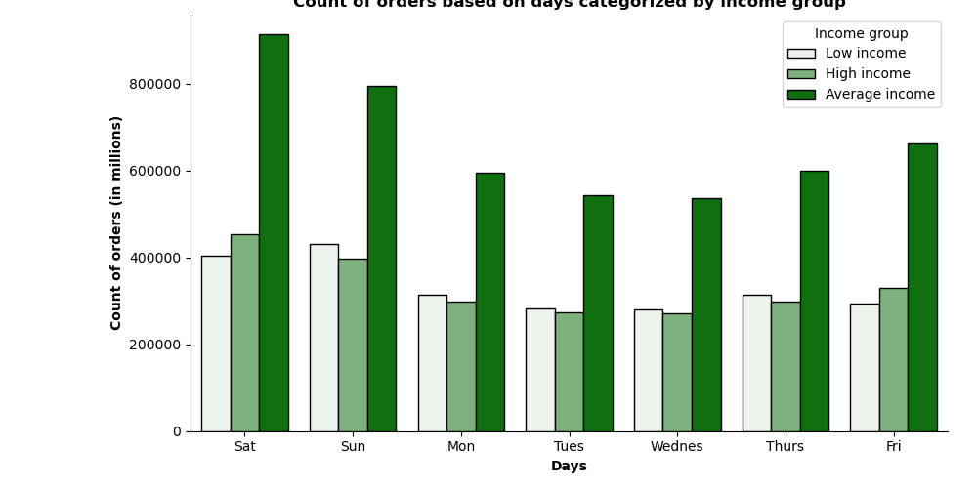
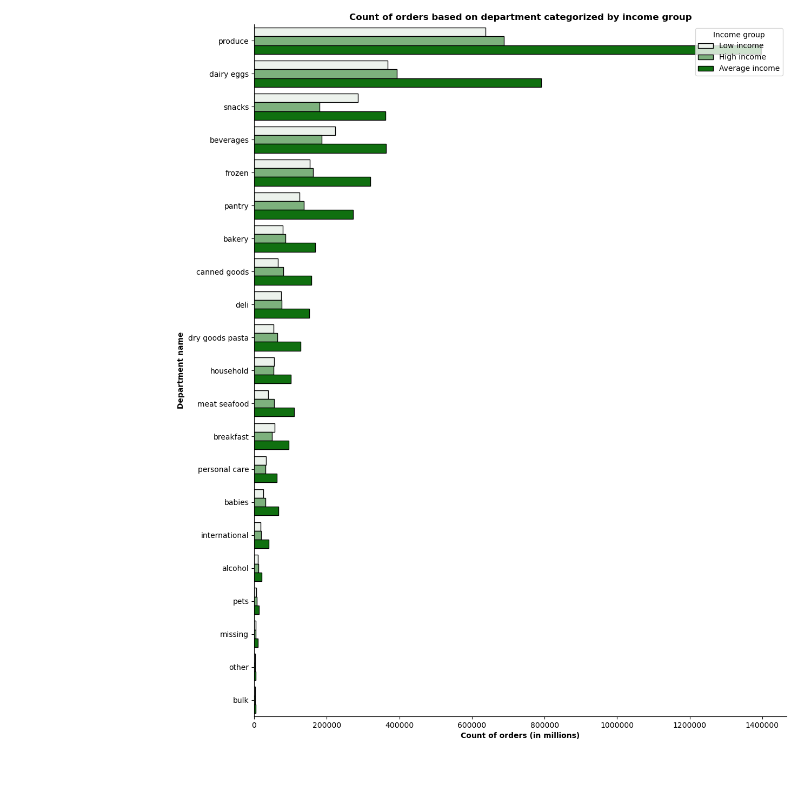

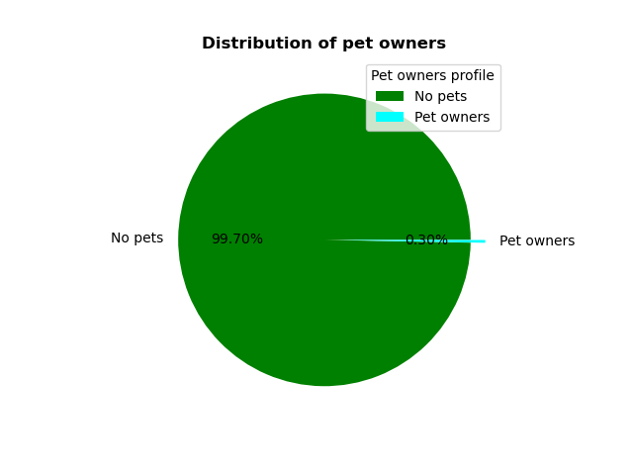
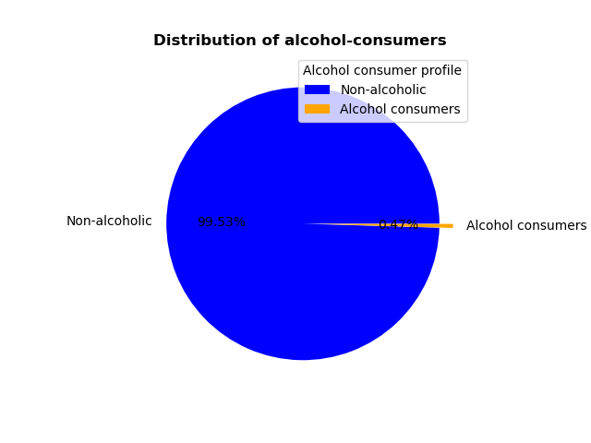
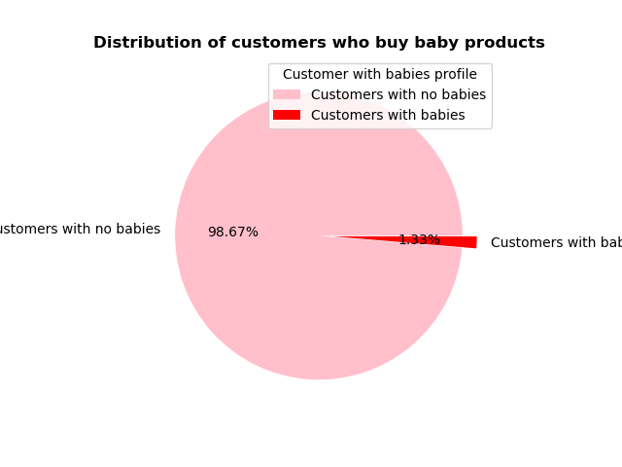
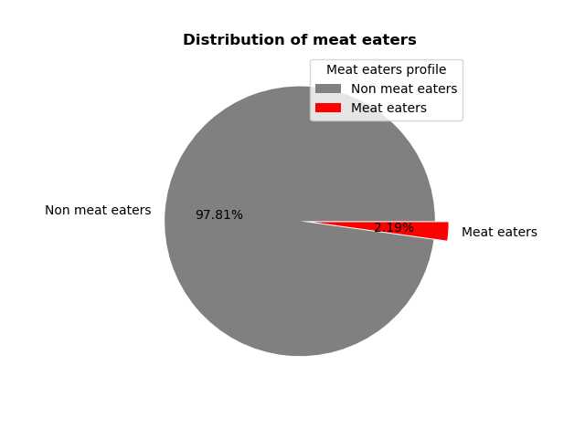

 | Customer profile

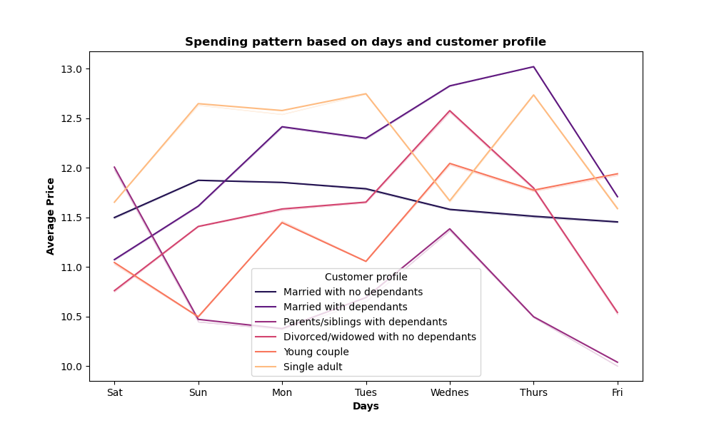
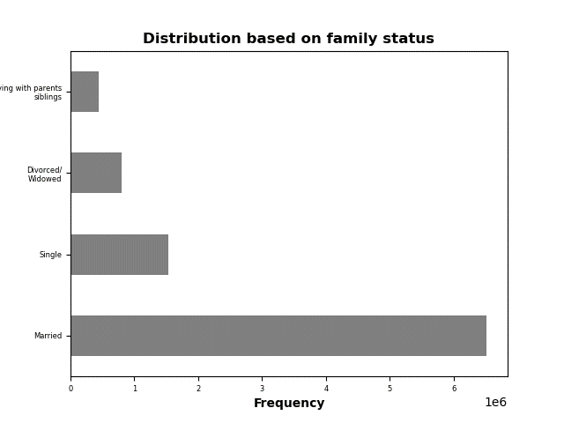

 |  | Observations

 |  | 70% of the IC orders are from married customers .
 |  | Out of which 47% is from married family with dependants.
 |  | There is no diffrence in their ordering pattern. Produce is the most ordered product.

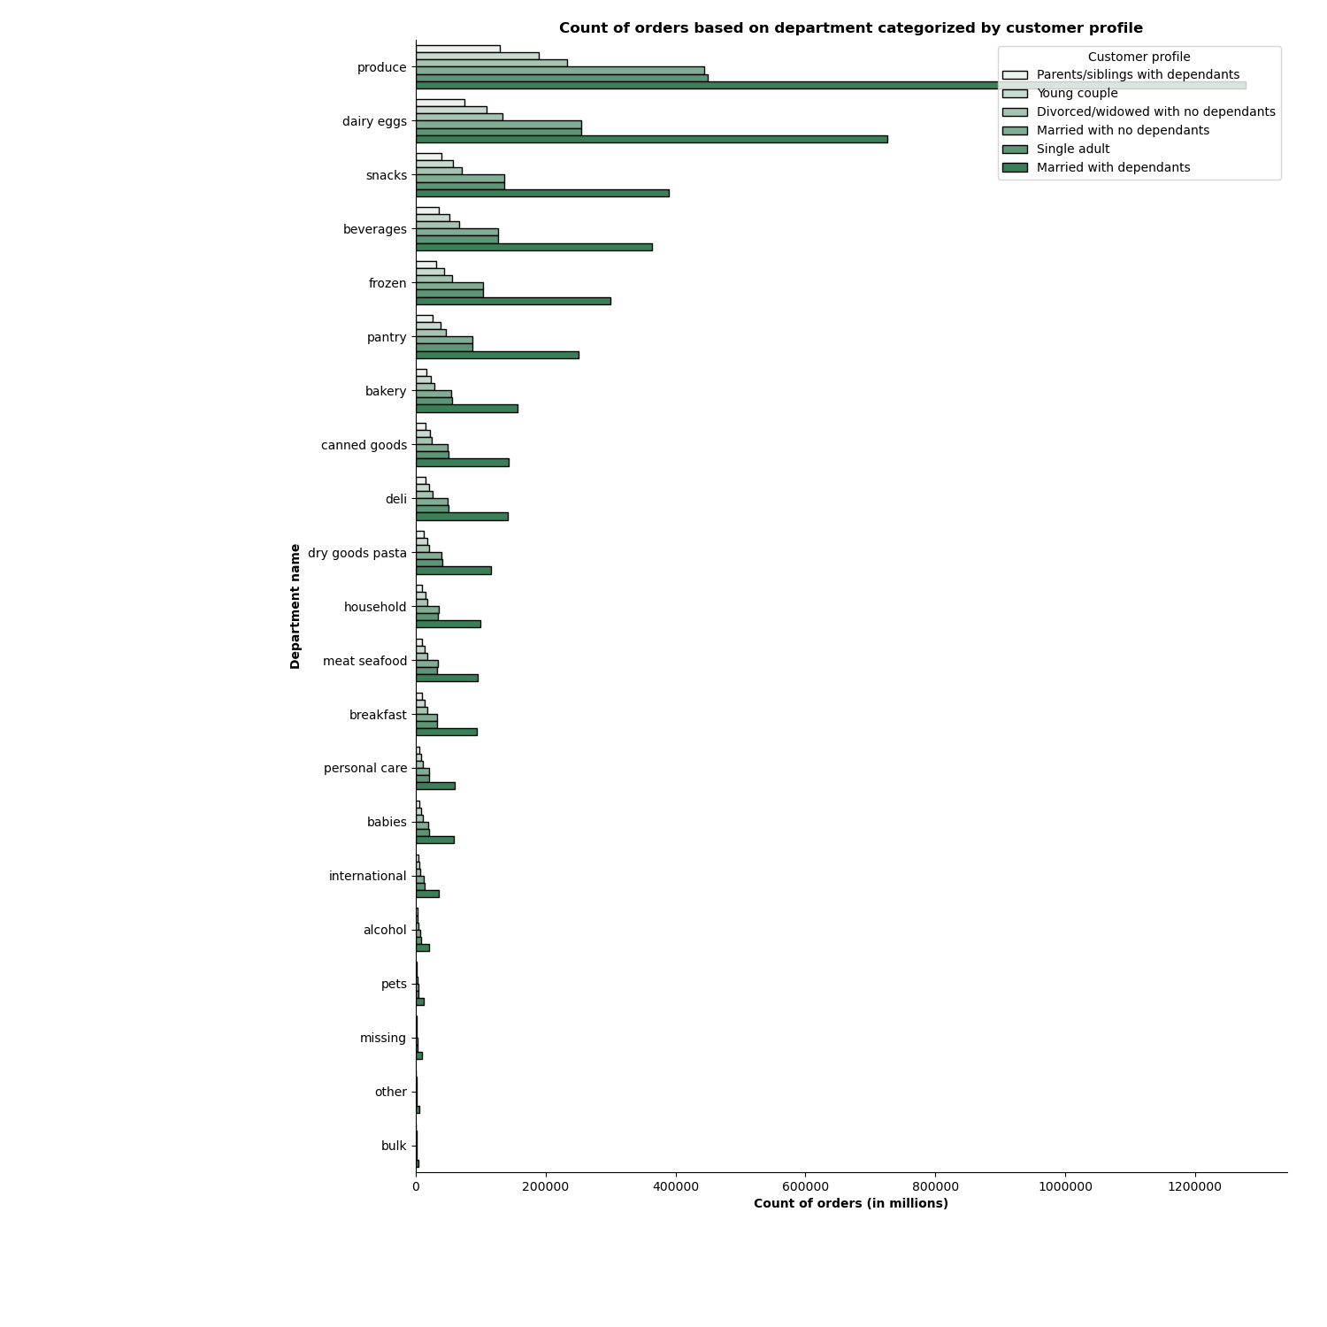
 |  | Family status and age Married - 23-80 age range Single - 18-60 age range Divorced/widowed - 60-80 age range Living with parents and sibilings - 18 - 22 age range
 |  | Living withparents/siblings have less purchasing power as most of their income range is max 200000. only few are earning upto 400000 Married family and single adult earns from 100000 - 600000

7. Recommendations
 |  |  | Title page

Recommendations

In this tab you should include any recommendations you would made to Instcart in terms of their marketing strategy based on the questions posed in the brief. Every key question has been covered in the Tasks of the Exercises - here you need to add an item - a visualisation or table/crosstable that is showing the answer in the data, acompanied by a comment from you. Please, list the questions below and add the answer underneath.

Question |  | Answer
Key Question 1 : | The sales team needs to know what the busiest days of the week and hours of the day are (i.e., the days and times with the most orders) in order to schedule ads at times when there are fewer orders. | Most orders for Instacart happens during the weekend and between 9 am to 4 pm. The ads could be scheduled during weekdays mainly from Tuesday to Thursday.
Key Question 2: | They also want to know whether there are particular times of the day when people spend the most money, as this might inform the type of products they advertise at these times. | Prices are generally consistent. Early mornings that is between 2-4 am the purchases made by the customer are priced higher compared to the rest of the day. At the peak hours the price of the products purchased are low. The high value purchases are genrally made during the weekends.
Key Question 3: | Instacart has a lot of products with different price tags. Marketing and sales want to use simpler price range groupings to help direct their efforts. | The prices of the products are categorised into three groups low, mid and high range products. Most purchases at IC are made in mid range and low range products. Meat and seafood department come under high range products which is one of the least purchased products at IC.
Key Question 4: | Are there certain types of products that are more popular than others? The marketing and sales teams want to know which departments have the highest frequency of product orders. | Produce is the most popular product that the customer order at IC followed by Dairy eggs, snacks and beverages
Key Question 5: | The marketing and sales teams are particularly interested in the different types of customers in their system and how their ordering behaviors differ. For example: ● What’s the distribution among users in regards to their brand loyalty (i.e., how often do they return to Instacart)? ● Are there differences in ordering habits based on a customer’s loyalty status? ● Are there differences in ordering habits based on a customer’s region? ● Is there a connection between age and family status in terms of ordering habits? ● What different classifications does the demographic information suggest? Age? Income? Certain types of goods? Family status? ● What differences can you find in ordering habits of different customer profiles? Consider the price of orders, the frequency of orders, the products customers are ordering, and anything else you can think of. | ● There are more frequent customers at IC. The ordering habits of these customers follow the similar pattern as the other customers. Instacart can give some rewards for customers who order at IC frequently. ● There is no differences in ordering habits based on a customer’s loyalty status. There are more regular customers than loyal customers. Instacart can give some coupons or time based offers to customers based on number of orders per week. This might increase the possibility of customers to order more at IC. ● There is no differences in ordering habits based on a customer’s region. 33% of Instacart orders are from South region. Instacart can try launching some new products or promote new products where they have strong customer base. ● There are more of middle-aged group order at IC followed by young people and senior citizen. Similarly married people with or without dependants place more orders at IC. Instacart can consider providing some senior citizen offer prices at certain products to encourage senior people to order more . ● There are huge percentage of customers who don't order certain products at IC like baby products, pet products, alcohol, meat/seafood products, bulk products. ● In general, ordering habits has been the same for different categories of customers. ● Produce, dairy eggs, snacks and beverages being the popular products. ● Weekends between 9 am to 4 pm is the time when most customers place their order. ● South region is the region from where IC gets more orders from. ● Married people with dependants or without dependants order more from instacart. ● Midlde aged group of people order from IC more often followed by young and senior citizen.

